Iron and steel
 | Iron and steel sector
 | Sectoral modeling of low carbon options for pig iron and steel
 | Figure 17
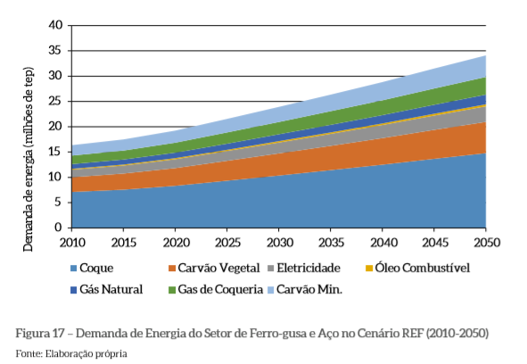

10^6toe | 2010 | 2015 | 2020 | 2025 | 2030 | 2035 | 2040 | 2045 | 2050
 | 16.3 | 17.4 | 19.2 | 21.7 | 24.2 | 26.6 | 29.1 | 31.5 | 34.0
 | 14.4 | 15.2 | 16.8 | 19.0 | 21.1 | 23.3 | 25.5 | 27.6 | 29.8
 | 12.7 | 13.5 | 14.8 | 16.7 | 18.6 | 20.5 | 22.4 | 24.3 | 26.2
 | 11.7 | 12.6 | 13.8 | 15.6 | 17.4 | 19.1 | 20.9 | 22.7 | 24.4
 | 11.5 | 12.3 | 13.5 | 15.2 | 17.0 | 18.7 | 20.5 | 22.2 | 24.0
 | 10.1 | 10.7 | 11.8 | 13.3 | 14.8 | 16.4 | 17.9 | 19.4 | 20.9
 | 7.1 | 7.5 | 8.2 | 9.3 | 10.4 | 11.5 | 12.6 | 13.7 | 14.8

1000 toe | 2010 | 2015 | 2020 | 2025 | 2030 | 2035 | 2040 | 2045 | 2050
coal | 1936.6 | 2203.7 | 2404.0 | 2704.5 | 3005.0 | 3305.5 | 3606.0 | 3906.5 | 4207.0
coke oven gas | 1669.4 | 1736.2 | 2003.3 | 2259.3 | 2515.3 | 2771.3 | 3027.3 | 3283.2 | 3539.2
natural gas | 1001.7 | 934.9 | 1001.7 | 1135.2 | 1268.8 | 1402.3 | 1535.9 | 1669.4 | 1803.0
heavy oil | 200.3 | 267.1 | 333.9 | 356.1 | 378.4 | 400.7 | 422.9 | 445.2 | 467.4
electricity | 1402.3 | 1602.7 | 1669.4 | 1903.2 | 2136.9 | 2370.6 | 2604.3 | 2838.1 | 3071.8
charcoal | 2938.2 | 3138.6 | 3606.0 | 4028.9 | 4451.9 | 4874.8 | 5297.7 | 5720.6 | 6143.6
coke | 7145.2 | 7545.9 | 8213.7 | 9304.4 | 10395.1 | 11485.8 | 12576.5 | 13667.2 | 14757.9

Agriculture
 | Agriculture
 | Sectoral modeling of low carbon options for the agriculture, forestry and other land use sector (AFOLU)
 | Figure 45
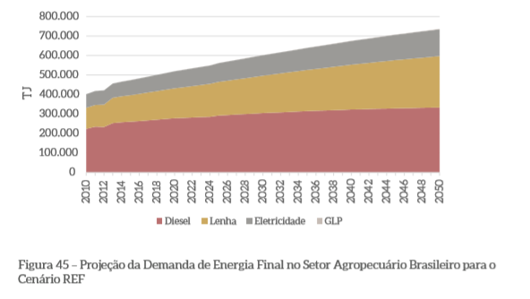

 |  |  |  |  |  |  |  |  |  |  | 2010 | 2011 | 2012 | 2013 | 2050
 |  |  |  |  |  |  |  |  |  |  | 401612.90323 | 420967.74194 | 417741.93548 | 454838.70968 | 732258.06452
 |  |  |  |  |  |  |  |  |  |  | 332258.06452 | 345161.29032 | 345161.29032 | 383870.96774 | 600000
 |  |  |  |  |  |  |  |  |  |  | 219354.83871 | 232258.06452 | 229032.25806 | 250000 | 329032.25806
 |  |  |  |  |  |  |  |  |  |  | 0 | 0 | 0 | 0 | 0

TJ | 2010 | 2011 | 2012 | 2013 | 2014 | 2015 | 2016 | 2017 | 2018 | 2019 | 2020 | 2021 | 2022 | 2023 | 2024 | 2025 | 2026 | 2027 | 2028 | 2029 | 2030 | 2031 | 2032 | 2033 | 2034 | 2035 | 2036 | 2037 | 2038 | 2039 | 2040 | 2041 | 2042 | 2043 | 2044 | 2045 | 2046 | 2047 | 2048 | 2049 | 2050
electricity | 69354.83871 | 75806.451613 | 72580.645161 | 70967.741935 | 72624.23714 | 74280.732345 | 75937.22755 | 77593.722755 | 79250.21796 | 80906.713165 | 82563.20837 | 84219.703575 | 85876.198779 | 87532.693984 | 89189.189189 | 90845.684394 | 92502.179599 | 94158.674804 | 95815.170009 | 97471.665214 | 99128.160418 | 100784.65562 | 102441.15083 | 104097.64603 | 105754.14124 | 107410.63644 | 109067.13165 | 110723.62685 | 112380.12206 | 114036.61726 | 115693.11247 | 117349.60767 | 119006.10288 | 120662.59808 | 122319.09329 | 123975.58849 | 125632.0837 | 127288.5789 | 128945.07411 | 130601.56931 | 132258.06452
firewood | 112903.22581 | 112903.22581 | 116129.03226 | 133870.96774 | 137576.28596 | 141281.60418 | 144986.92241 | 148692.24063 | 152397.55885 | 156102.87707 | 159808.19529 | 163513.51351 | 167218.83173 | 170924.14996 | 174629.46818 | 178334.7864 | 182040.10462 | 185745.42284 | 189450.74106 | 193156.05929 | 196861.37751 | 200566.69573 | 204272.01395 | 207977.33217 | 211682.65039 | 215387.96861 | 219093.28684 | 222798.60506 | 226503.92328 | 230209.2415 | 233914.55972 | 237619.87794 | 241325.19616 | 245030.51439 | 248735.83261 | 252441.15083 | 256146.46905 | 259851.78727 | 263557.10549 | 267262.42371 | 270967.74194
diesel | 219354.83871 | 232258.06452 | 229032.25806 | 250000 | 252136.00697 | 254272.01395 | 256408.02092 | 258544.0279 | 260680.03487 | 262816.04185 | 264952.04882 | 267088.0558 | 269224.06277 | 271360.06975 | 273496.07672 | 275632.0837 | 277768.09067 | 279904.09765 | 282040.10462 | 284176.1116 | 286312.11857 | 288448.12554 | 290584.13252 | 292720.13949 | 294856.14647 | 296992.15344 | 299128.16042 | 301264.16739 | 303400.17437 | 305536.18134 | 307672.18832 | 309808.19529 | 311944.20227 | 314080.20924 | 316216.21622 | 318352.22319 | 320488.23017 | 322624.23714 | 324760.24412 | 326896.25109 | 329032.25806

1000 toe | 2010 | 2011 | 2012 | 2013 | 2014 | 2015 | 2016 | 2017 | 2018 | 2019 | 2020 | 2021 | 2022 | 2023 | 2024 | 2025 | 2026 | 2027 | 2028 | 2029 | 2030 | 2031 | 2032 | 2033 | 2034 | 2035 | 2036 | 2037 | 2038 | 2039 | 2040 | 2041 | 2042 | 2043 | 2044 | 2045 | 2046 | 2047 | 2048 | 2049 | 2050
electricity | 1656.5403226 | 1810.6370968 | 1733.5887097 | 1695.0645161 | 1734.6299041 | 1774.1952921 | 1813.76068 | 1853.326068 | 1892.891456 | 1932.4568439 | 1972.0222319 | 2011.5876199 | 2051.1530078 | 2090.7183958 | 2130.2837838 | 2169.8491718 | 2209.4145597 | 2248.9799477 | 2288.5453357 | 2328.1107236 | 2367.6761116 | 2407.2414996 | 2446.8068875 | 2486.3722755 | 2525.9376635 | 2565.5030514 | 2605.0684394 | 2644.6338274 | 2684.1992153 | 2723.7646033 | 2763.3299913 | 2802.8953793 | 2842.4607672 | 2882.0261552 | 2921.5915432 | 2961.1569311 | 3000.7223191 | 3040.2877071 | 3079.853095 | 3119.418483 | 3158.983871
firewood | 2696.6935484 | 2696.6935484 | 2773.7419355 | 3197.5080645 | 3286.0095902 | 3374.511116 | 3463.0126417 | 3551.5141674 | 3640.0156931 | 3728.5172188 | 3817.0187446 | 3905.5202703 | 3994.021796 | 4082.5233217 | 4171.0248474 | 4259.5263731 | 4348.0278989 | 4436.5294246 | 4525.0309503 | 4613.532476 | 4702.0340017 | 4790.5355275 | 4879.0370532 | 4967.5385789 | 5056.0401046 | 5144.5416303 | 5233.0431561 | 5321.5446818 | 5410.0462075 | 5498.5477332 | 5587.0492589 | 5675.5507847 | 5764.0523104 | 5852.5538361 | 5941.0553618 | 6029.5568875 | 6118.0584133 | 6206.559939 | 6295.0614647 | 6383.5629904 | 6472.0645161
diesel | 5239.2903226 | 5547.483871 | 5470.4354839 | 5971.25 | 6022.2685266 | 6073.2870532 | 6124.3055798 | 6175.3241064 | 6226.342633 | 6277.3611595 | 6328.3796861 | 6379.3982127 | 6430.4167393 | 6481.4352659 | 6532.4537925 | 6583.4723191 | 6634.4908457 | 6685.5093723 | 6736.5278989 | 6787.5464255 | 6838.564952 | 6889.5834786 | 6940.6020052 | 6991.6205318 | 7042.6390584 | 7093.657585 | 7144.6761116 | 7195.6946382 | 7246.7131648 | 7297.7316914 | 7348.750218 | 7399.7687446 | 7450.7872711 | 7501.8057977 | 7552.8243243 | 7603.8428509 | 7654.8613775 | 7705.8799041 | 7756.8984307 | 7807.9169573 | 7858.9354839

TJ to toe= | 23.885

Chemicals
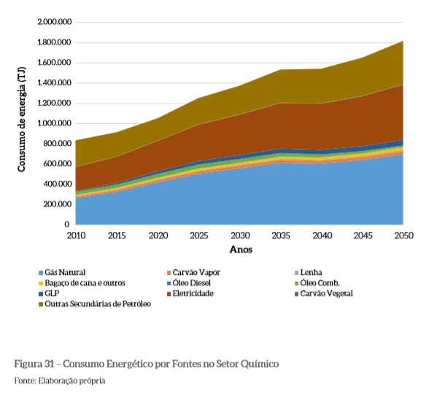
 | Chemicals
 | Sectoral modeling of low carbon options for the chemical sector
 | Figure 31
TJ | 2010; | 2015; | 2020; | 2025; | 2030; | 2035; | 2040; | 2045; | 2050;
total | 834454.91252 | 912516.82369 | 1049798.1157 | 1248990.5787 | 1372812.9206 | 1534320.323 | 1539703.9031 | 1650067.2948 | 1814266.4872
 | 570659.48856 | 672947.51009 | 842530.28264 | 990578.73486 | 1092866.7564 | 1205921.9381 | 1200538.358 | 1273216.6891 | 1388963.6608
 | 331090.17497 | 411843.87618 | 541049.79812 | 632570.65949 | 697173.62046 | 751009.42127 | 740242.2611 | 775235.53163 | 837146.70256
 | 323014.80485 | 395693.13594 | 508748.31763 | 594885.59892 | 656796.76985 | 705248.99058 | 694481.83042 | 726783.3109 | 780619.11171
 | 296096.90444 | 363391.65545 | 471063.25707 | 557200.53836 | 613728.12921 | 670255.72005 | 667563.93001 | 707940.78062 | 767160.16151
 | 279946.1642 | 352624.49529 | 457604.30686 | 538358.00808 | 592193.80888 | 651413.18977 | 646029.60969 | 686406.4603 | 737550.47106
 | 277254.37416 | 347240.91521 | 452220.72678 | 532974.42799 | 584118.43876 | 637954.23957 | 632570.65949 | 667563.93001 | 721399.73082
 | 263795.42396 | 328398.38493 | 430686.40646 | 506056.52759 | 559892.3284 | 611036.33917 | 605652.75908 | 640646.02961 | 697173.62046
 | 0 | 0 | 0 | 0 | 0 | 0 | 0 | 0 | 0

TJ | 2010; | 2015; | 2020; | 2025; | 2030; | 2035; | 2040; | 2045; | 2050;
other oil products | 263795.42396 | 239569.31359 | 207267.83311 | 258411.84388 | 279946.1642 | 328398.38493 | 339165.54509 | 376850.60565 | 425302.82638
electricity | 239569.31359 | 261103.63392 | 301480.48452 | 358008.07537 | 395693.13594 | 454912.51682 | 460296.0969 | 497981.15747 | 551816.95828
diesel | 8075.3701211 | 16150.740242 | 32301.480485 | 37685.060565 | 40376.850606 | 45760.430686 | 45760.430686 | 48452.220727 | 56527.590848
heavy oil | 26917.900404 | 32301.480485 | 37685.060565 | 37685.060565 | 43068.640646 | 34993.270525 | 26917.900404 | 18842.530283 | 13458.950202
bagasse | 16150.740242 | 10767.160162 | 13458.950202 | 18842.530283 | 21534.320323 | 18842.530283 | 21534.320323 | 21534.320323 | 29609.690444
firewood | 2691.7900404 | 5383.5800808 | 5383.5800808 | 5383.5800808 | 8075.3701211 | 13458.950202 | 13458.950202 | 18842.530283 | 16150.740242
steam coal | 13458.950202 | 18842.530283 | 21534.320323 | 26917.900404 | 24226.110363 | 26917.900404 | 26917.900404 | 26917.900404 | 24226.110363
natural gas | 263795.42396 | 328398.38493 | 430686.40646 | 506056.52759 | 559892.3284 | 611036.33917 | 605652.75908 | 640646.02961 | 697173.62046
TJ to toe= | 23.885

toe*10^3 | 2010; | 2015; | 2020; | 2025; | 2030; | 2035; | 2040; | 2045; | 2050;
other oil products | 6300.7537012 | 5722.1130552 | 4950.5921938 | 6172.166891 | 6686.5141319 | 7843.795424 | 8100.9690444 | 9001.076716 | 10158.358008
electricity | 5722.1130552 | 6236.4602961 | 7200.8613728 | 8551.0228802 | 9451.1305518 | 10865.585464 | 10994.172275 | 11894.279946 | 13180.148048
diesel | 192.88021534 | 385.76043069 | 771.52086137 | 900.1076716 | 964.40107672 | 1092.9878869 | 1092.9878869 | 1157.2812921 | 1350.1615074
heavy oil | 642.93405114 | 771.52086137 | 900.1076716 | 900.1076716 | 1028.6944818 | 835.81426649 | 642.93405114 | 450.0538358 | 321.46702557
bagasse | 385.76043069 | 257.17362046 | 321.46702557 | 450.0538358 | 514.34724092 | 450.0538358 | 514.34724092 | 514.34724092 | 707.22745626
firewood | 64.293405114 | 128.58681023 | 128.58681023 | 128.58681023 | 192.88021534 | 321.46702557 | 321.46702557 | 450.0538358 | 385.76043069
steam coal | 321.46702557 | 450.0538358 | 514.34724092 | 642.93405114 | 578.64064603 | 642.93405114 | 642.93405114 | 642.93405114 | 578.64064603
natural gas | 6300.7537012 | 7843.795424 | 10286.944818 | 12087.160162 | 13373.028264 | 14594.602961 | 14466.016151 | 15301.830417 | 16651.991925

